ConfusionMatrix
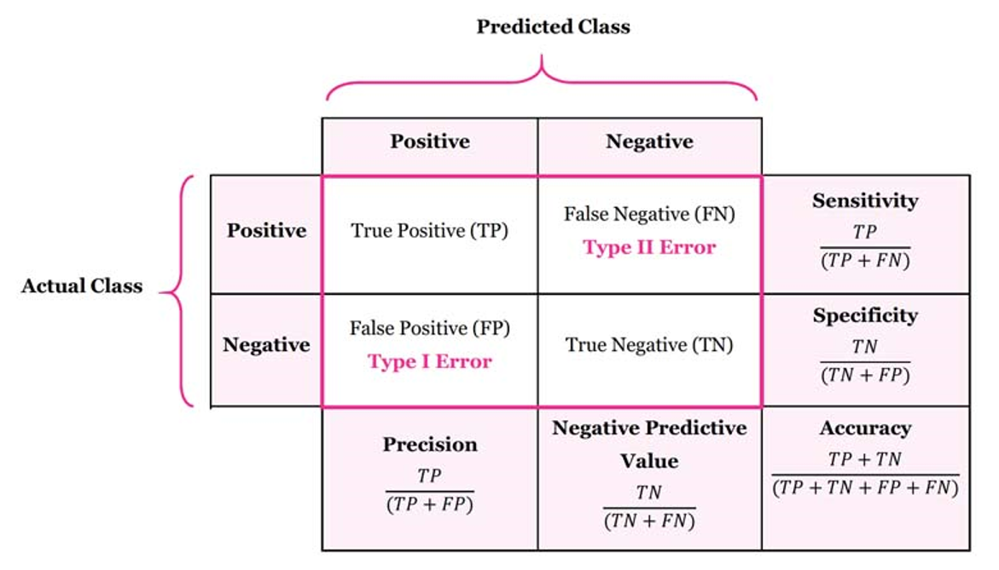
Confusion Matrix
 | Confusion Matrix is a tool to determine the performance of classifier. It contains information about actual and predicted classifications.

 |  |  | Predicted Class
 |  |  | Positive (Y-1) | Negative (N-0) |  |  | F1 Score
 | Actual Class | Positive (Y-1) | 58 | 10 | 85.29% | Recall | 0.872
 |  | Negative (N-0) | 7 | 125 | 94.70% | Specificity
 |  |  | 89.23% | 92.59% | 91.50%
 |  |  | Precision | Neg Pred Value |  | Accuracy
 | Understand the four outputs in confusion matrix
 | True Positive (TP) is the number of correct predictions which means positive class correctly identified as positive

 | False Negative (FN) is the number of incorrect predictions which means positive class incorrectly identified as negative

 | False positive (FP) is the number of incorrect predictions which means negative class incorrectly identified as positive

 | True Negative (TN) is the number of correct predictions which means negative class correctly identified as negative

 | Balanced Accuracy |  | 90.00%

RoC
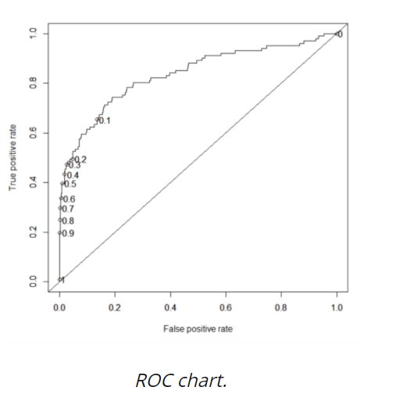
Receiver Operating Characteristic (ROC) curve
ROC is a major visualization technique for presenting the performance of a classification model. It summarizes the trade-off between the true positive rate (tpr) and false positive rate (fpr) for a predictive model using different probability thresholds.

The true positive rate (tpr) is the recall and the false positive rate (FPR) is the probability of a false alarm
A ROC curve plots the true positive rate (tpr) versus the false positive rate (fpr) as a function of the model’s threshold for classifying a positive. Given that c is a constant known as decision threshold, the below ROC curve suggests that by default c=0.5, when c=0.2, both tpr and fpr increase. When c=0.8, both tpr and fpr decrease. In general, tpr and fpr increase as c decrease. In the extreme case when c=1, all cases are predicted as negative; tpr=fpr=0. On the other hand, when c=0, all cases are predicted as positive; tpr=fpr=1.
Assess the performance of the model by the area under the ROC curve (AUC). As a rule of thumb, 0.9–1=excellent; 0.8-.9=good; 0.7–0.8=fair; 0.6–0.7=poor; 0.50–0.6=fail

Pic
